General Request Form
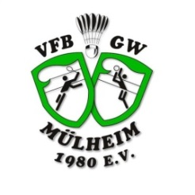
Entry Form U13 / U15

 |  |  |  |  |  | 
Name of club/team:
Team Country code:
Name of Member Association (Team):
Name of Team Manager:
Mailing-Address:
Mobile Phone (with country code):
No. | RANKING (in your team) |  |  |  |  | Name (please enter the names in the format shown below) | Member ID | Gender | date of birth | Competition | Doubles with (partner name) | Mixed with (partner name)
 | MS | WS | MD | WD | XD
 |  |  |  |  |  | SURNAME, First Name |  |  |  |  | SURNAME, First Name | SURNAME, First Name
1
2
3
4
5
6
7
8
9
10
11
12
13
14
15
16
17
18
19
20
Please use for each entry a several row.

Please send the completed Entry Form: |  |  |  |  |  |  |  |  |  |  | entry@german-ruhr-internationals.de

MS-U13
WS-U13
MD-U13
WD-U13
XD-U13
MS-U15
WS-U15
MD-U15
WD-U15
XD-U15

MALE
FEMALE

